Sheet1
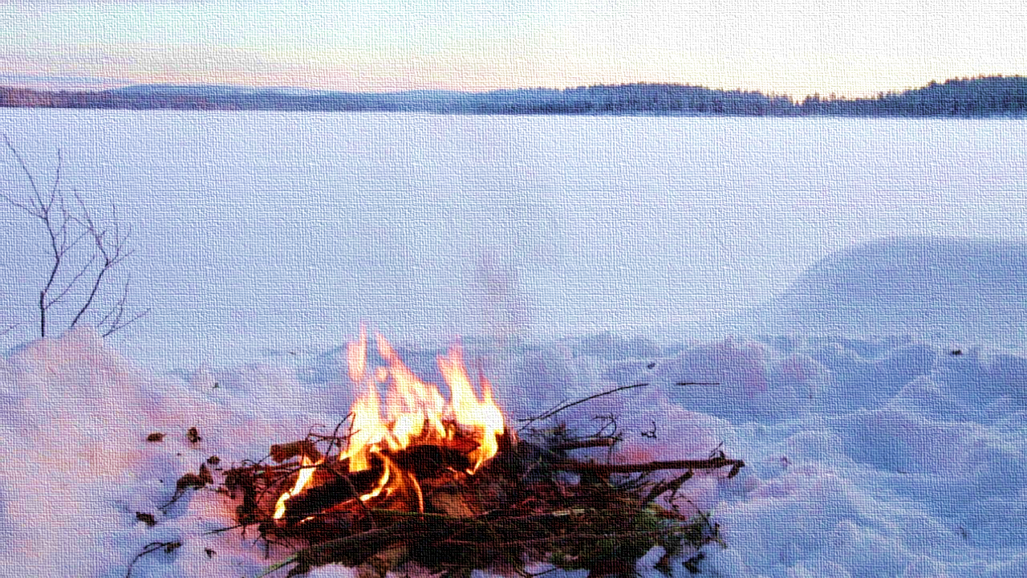

The Adventures of Dar the Conqueror
Chapter 1

Sheet2


The commands are case-sensitive.

Make sure that rows 1-37 are visible!

Display columns A-Z for the optimal experience.

Sheet3
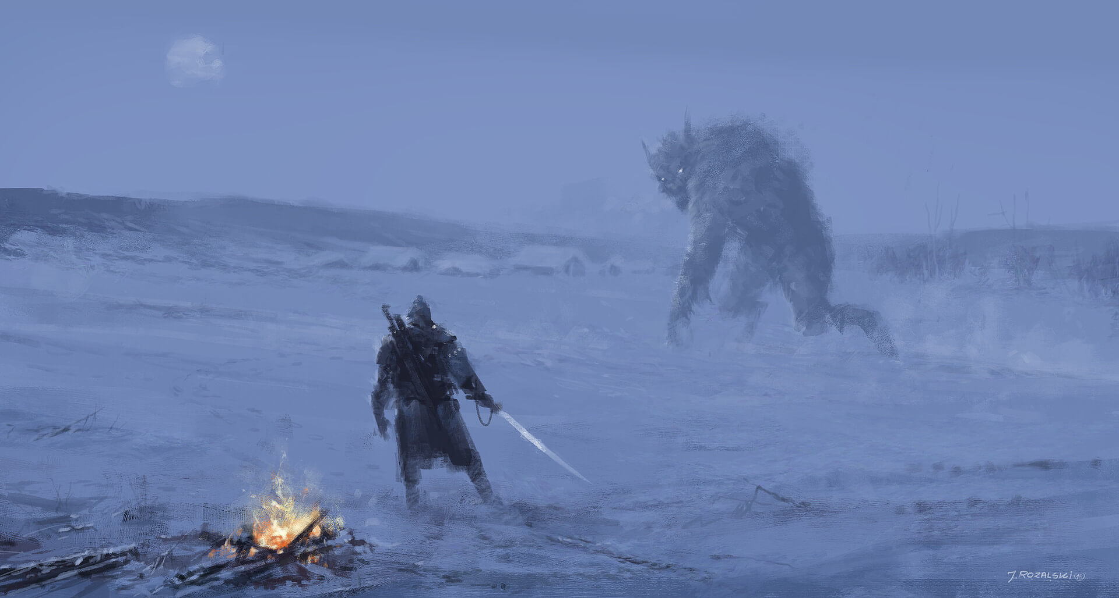
30 | 0

Sheet5
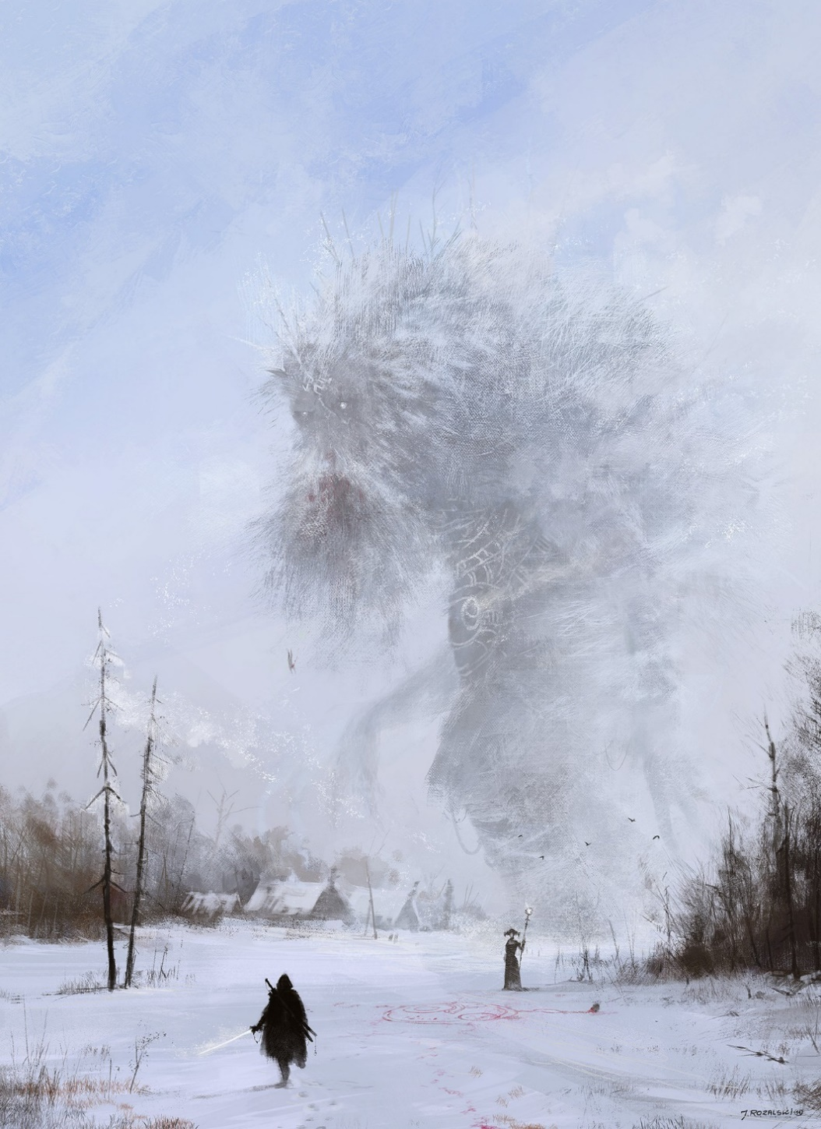

Against all odds, you have bested the icy foe.

As you head north across this barren and frozen wasteland, trees begin to break up the monotony.

Suddenly you spot a figure dressed in familiar garments and a conical farmer's hat.

Suddenly a creature of ice and wind materializes from their staff.
Yet the mystical being hovers still.
...Almost as if they both were awaiting your next move.

To be continued…

Sheet4


You realize that you have one shot at increasing your odds of winning this engagement.
The wind sends a shower of sparks from the fire across the white snow
What do you do?

Drop the sweet potatoes
Carefully pick up a burning log

